CGAS
减压阀规格表
序号 No. | 国家 Country | 产品图片 (CGAS) Product image | 赛格斯供应商型号 CGAS Supplier model No. | 产品规格（接头尺寸） Specification （connector size) | 配管规格 With hose Specification | Remark

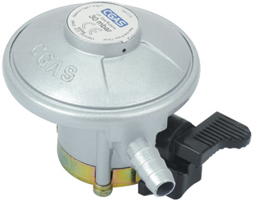
1 | 葡萄牙 （PT） |  | C10G52D30 | CGAS Snap-on regulator for LPG Inlet :20mm (G52) Outlet :11mm reversed hose nozzle with excess flow with inlet valve Outlet pressure: 30mbar Capacity:1.5Kg/h Colour:Red With English language user instruction CE approved,acc 16129 | 配10mmPVC管子 | 配两个管夹

2 | 马耳他 |  | C10G54U30 | CGAS Snap-on regulator for LPG Inlet :22mm (G54) Outlet :8mm reversed hose nozzle with excess flow with inlet valve Outlet pressure: 30mbar Capacity:1.5Kg/h Colour:Red With English language user instruction CE approved,acc 16129 | 配8mmPVC管子 | 配两个管夹

3 | 沙特 |  | C10G54U50 | CGAS Snap-on regulator for LPG Inlet :22mm (G54) Outlet :8mm reversed hose nozzle with excess flow with inlet valve Outlet pressure: 50mbar Capacity:1.5Kg/h Colour:Red With English language user instruction CE approved,acc 16129 | 配8mmPVC管子 | 配两个管夹

4 | 肯尼亚 |  | C10G52U30 | CGAS Snap-on regulator for LPG Inlet :20mm (G52) Outlet :8mm reversed hose nozzle with excess flow with inlet valve Outlet pressure: 30mbar Capacity:1.5Kg/h Colour:Red With English language user instruction CE approved,acc 16129 | 配8mmPVC管子 | 配两个管夹

5 | 英国 /卡塔尔/迪拜 |  | C10G53U28 | CGAS Snap-on regulator for LPG Inlet :21mm (G53) Outlet :8mm reversed hose nozzle with excess flow with inlet valve Outlet pressure: 28mbar Capacity:1.5Kg/h Colour:Red With English language user instruction CE approved,acc 16129 | 配8mmPVC管子 | 配两个管夹

6 | 尼日尼亚 |  | C10G59U30 | CGAS Snap-on regulator for LPG Inlet :27mm (G59) Outlet :8mm reversed hose nozzle with excess flow with inlet valve Outlet pressure: 30mbar Capacity:1.5Kg/h Colour:Red With English language user instruction CE approved,acc 16129 | 配8mmPVC管子 | 配两个管夹

7 | 英国 (UK) |  | C10G59U37 | CGAS Snap-on regulator for LPG Inlet :27mm (G59) Outlet :8mm reversed hose nozzle with excess flow with inlet valve Outlet pressure: 37mbar Capacity:1.5Kg/h Colour:Red With English language user instruction CE approved,acc 16129 | 配8mmPVC管子 | 配两个管夹
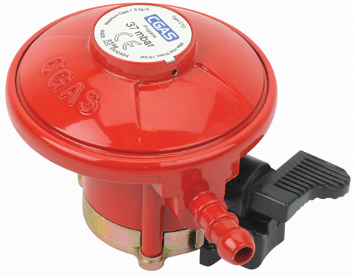

8 | 英国 (UK) |  | C31G08U30 | 进气口：G8 出气口：8mm 流量：1.5kg/H 出气压力：30mbar | 配8mmPVC管子 | 配两个管夹

9 | 英国 (UK) |  | C31G07U37 | 进气口：G7 出气口：8mm 流量：1.5kg/H 出气压力：37mbar | 配8mmPVC管子 | 配两个管夹

10 | 科威特/伊拉克/乌拉圭/西班牙/伊朗 |  | C23G56N30 | CGAS Jumbo LPG Regulator Inlet: 35mm click on Outlet:11mm DK Nozzle acc EN12864 Setting outlet pressure: 28mbar Capacity: 2 kg/h Color: sliver with flow limeter with Six language working instruction Packed in color box. | 配10mmPVC管子 | 配两个管夹

11 | 芬兰 (FI)/挪威 | 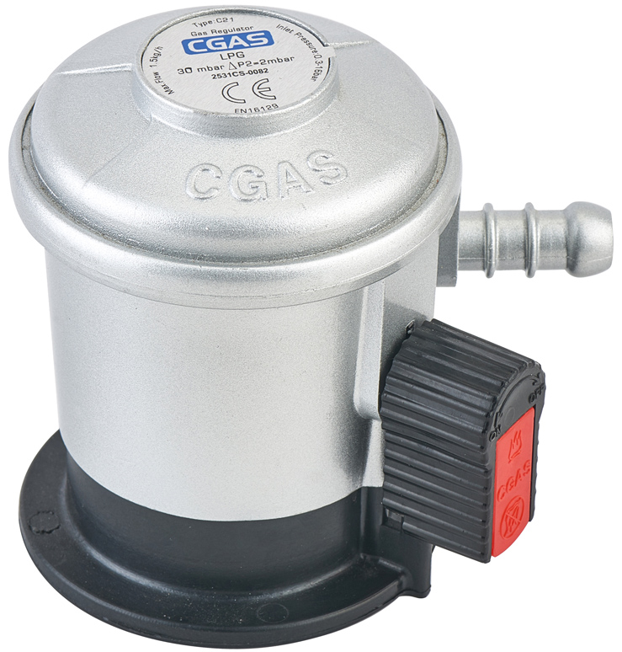 | C21G56N30 | CGAS Jumbo LPG Regulator Inlet: 35mm click on Outlet:10mm Norwegian nozzle Setting outlet pressure: 30mbar Capacity: 1.5 kg/h Color: sliver with flow limeter with Six language working instruction | 配10mm橡胶管子 | 配两个管夹

12 | 丹麦 (DK) |  | C21G56D29 | CGAS Jumbo LPG Regulator Inlet: 35mm click on Outlet:11mm DK Nozzle acc EN16129 Setting outlet pressure: 29mbar Capacity: 1.5 kg/h Color: sliver with flow limeter with Six language working instruction | 配10.5mm橡胶管子 | 配两个管夹

13 | 法罗群岛 () |  | C21G56D29 | CGAS Jumbo LPG Regulator Inlet: 35mm click on Outlet:11mm DK Nozzle acc EN16129 Setting outlet pressure: 29mbar Capacity: 1.5 kg/h Color: sliver with flow limeter with Six language working instruction | 配10mmPVC管子 | 配两个管夹

14 | 爱沙尼亚 /爱沙尼亚 |  | C21G56U30 | CGAS Jumbo LPG Regulator Inlet: 35mm click on Outlet:8mm Norwegian nozzle Setting outlet pressure: 30mbar Capacity: 1.5 kg/h Color: sliver with flow limeter with Six language working instruction | 配8mm橡胶管子 | 配两个管夹

15 | 保加利亚 （BG） |  | C21G56D30 | CGAS Jumbo LPG Regulator Inlet: 35mm click on Outlet:11mm DK Nozzle acc EN16129 Setting outlet pressure: 29mbar Capacity: 1.5 kg/h Color: sliver with flow limeter with Six language working instruction | 配10mmPVC管子 | 配两个管夹

16 | 塞浦路斯 （CY） |  | C21U30 | CGAS Jumbo LPG Regulator Inlet: 35mm click on Outlet:8mm UK hose nozzle Setting outlet pressure: 30mbar Capacity: 1.5 kg/h Color: sliver with flow limeter with Six language working instruction
17 | 玻利维亚/洪都拉斯/以色列 |  | C31G10U30 | CGAS POL regulator Inlet connection POL CGA softnose(G10) Outlet:8mm hose nozzle outlet pressure: 30mbar EN 12864 Color: sliver Capacity:1.5Kg/h CE APPROVED | 配8mmPVC管子 | 配两个管夹

18 | 冰岛 (IS)/瑞典 (SE) |  | C31G10U30 | CGAS POL regulator Inlet connection POL CGA softnose(G10) Outlet:8mm hose nozzle outlet pressure: 30mbar EN 12864 Color: sliver Capacity:1.5Kg/h CE APPROVED | 配8mm橡胶管子 | 配两个管夹

19 | 法国 |  | C31G02U37W | CGAS F-male regulator Inlet connection:W21.8*1/14〞-G2 Outlet:8mm hose nozzle Colour:silver Capacity:1.5kg/h Setting outlet pressure:37mbar with 2 language working instruction CE approved | 配8mmPVC管子 | 配两个管夹

20 | 拉脱维亚 /俄罗斯/捷克/乌克兰/克罗地亚/摩尔多瓦/斯洛伐克/摩纳哥/塞尔维亚/阿尔巴尼亚/波斯尼亚和墨塞哥维那/斯洛文尼亚/黎巴嫩/马其顿/约旦 |  | C31G02U30 | CGAS F-male regulator Inlet connection:W21.8*1/14〞-G2-27mm iron nut Outlet:8mm hose nozzle Colour:silver Capacity:1.5kg/h Setting outlet pressure:30mbar with 2 language working instruction CE approved | 配8mmPVC管子 | 配两个管夹

21 | 立陶宛 (LT) |  | C31G02P37/ C31G02U30 | CGAS F-male regulator Inlet connection:W21.8*1/14〞-G2-27mm iron nut Outlet:9mm hoze nozzle Colour:silver Capacity:1.5kg/h Setting outlet pressure:36mbar with English language working instruction CE approved | 配8mmPVC管子/配9mm都可以，看客人要求 | 配两个管夹

22 | 波兰 (PL) |  | C31G16P37 | CGAS F-male regulator Inlet connection:W21.8*1/14LH-G12-27MM NUT(G16) Outlet:PO 9mm Colour:silver Capacity:1.5kg/h Setting outlet pressure:37mbar with Poland language working instruction CE approved | 配9mmPVC管子 | 配两个管夹

23 | 匈牙利 (HU) |  | C31G02H30 | CGAS F-male regulator Inlet connection:W21.8*1/14-G2-27mm nut Outlet connection: Hungarial outlet connection for 9mm hose Colour:silver Capacity:1.5kg/h Setting outlet pressure:30mbar with Hungary language working instruction CE approved | 配9mmPVC管子 | 配两个管夹

24 | 德国 /奥地利/卢森堡 |  | C31G12G50 | CGAS F-male regulator Inlet connection:W21.8*1/14〞DIN 2R5 iron nut KLF-G12 Outlet:1/4〞-LH Colour:silver Capacity:1.5kg/h Setting outlet pressure:50mbar with German language working instruction CE approved | 配6.3mmPVC管子 | 配两个1/4LH 铁接头

25 | 瑞士 (CH) |  |  | CGAS F-male regulator Inlet connection:W21.8X1/14 for Switz gas cylinders with valves acc SN219514-G2-30mm nut Outlet:G1/4LH EN 12864 Color: sliver Setting outlet pressure: 50mbar Capacity:1.5Kg/h CE APPROVED Colour:sliver | 配6.3mmPVC管子 | 配两个1/4LH 铁接头

26 | 荷兰 (NL) |  | C31G05U30 | CGAS F-male regulator Inlet connection:W21.8*1/14〞-G5-30mm nut Outlet:8mm hose nozzle Colour:silver Capacity:1.5kg/h Setting outlet pressure:30mbar with Uk-Dutch-French language working instruction CE approved | 配8mmPVC管子 | 配两个管夹

27 | 比利时 (BE) |  | C31G05U37/C31G10U30 | CGAS POL regulator Inlet connection:W21.8*1/14〞-G5-30mm nut Outlet:8mm hose nozzle outlet pressure: 37mbar EN 12864 Color: sliver Capacity:1.5Kg/h CE APPROVED Colour:sliver With Belgium instruction | 配8mmPVC管子 | 配两个管夹

28 | 罗马尼亚 （RO） |  | C31G02U30/G2螺母G1芯子 | CGAS F-male regulator Inlet connection:W20*1/14〞-G1-25mm nut Outlet:8mm hose nozzle Colour:silver Capacity:1.5kg/h Setting outlet pressure:30mbar with English language working instruction CE approved | 配8mmPVC管子 | 配两个管夹

29 | 希腊 /意大利/梵蒂冈/圣马力诺/以色列 |  | C31G01U30 | CGAS F-male regulator Inlet connection:W20*1/14〞-G1-25mm nut Outlet:8mm hose nozzle Colour:silver Capacity:1.5kg/h Setting outlet pressure:30mbar with Greece and Italian language working instruction CE approved | 配8mmPVC管子 | 配两个管夹

30 | 澳大利亚 | 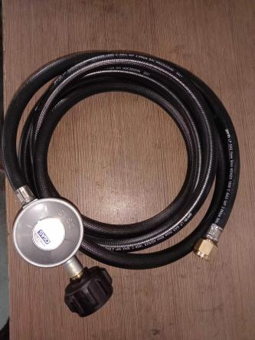 | C35L2227 | 进气口：LCC27 出气口：5/8UNF 流量：2kg/H 出气压力：2.8KPA | 配garth黑色PVC管子8mm,一头带5/8UNF接头
31 | 新西兰 |  | C35QCC | 进气口：QCC 出气口：5/8UNF 流量：2kg/H 出气压力：2.8KPA | 配garth黑色PVC管子8mm,一头带5/8UNF接头
32 | 土耳其 （TR） | 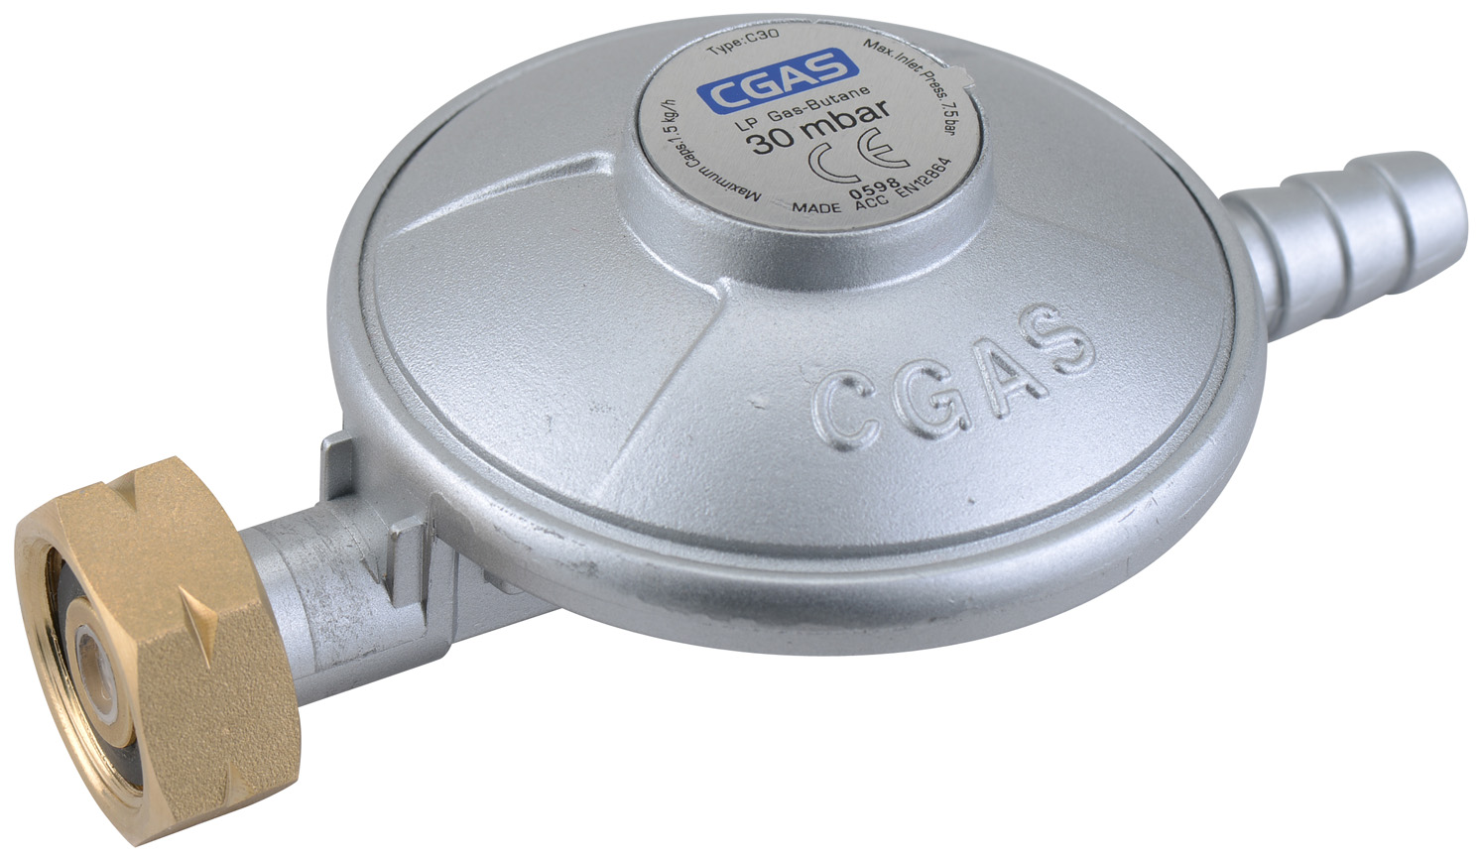 | C30G04D30 | CGAS F-male regulator Inlet connection:W21.8*1/14〞-G4-30mm iron nut Outlet:Dk10mm hose nozzle Colour:silver Capacity:1.5kg/h Setting outlet pressure:30mbar with 2 language working instruction CE approved | 配10mmPVC管子 | 配2个管夹
33 | 南非 |  | SA5G58U28 | CGAS Pol regulator Inlet connection:G5/8 bull nose acc SANS 1237 Outlet:8mm hose nozzle Outlet pressure:2.8kpa Capacity:1.0kg/h Color:sliver With UK instruction hand tightting hand wheel Packed in plastic bag. | 配8mmPVCSANS1156管子 | 配2个管夹
34 | 南非 | 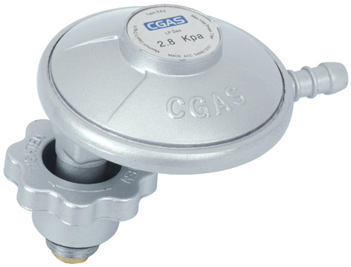 | SA3G38U28 | CGAS Pol regulator Inlet connection:G3/8 Swival acc SANS 1237 Outlet:8mm hose nozzle Outlet pressure:2.8kpa Capacity:1.0kg/h Color:sliver With UK instruction hand tightting hand wheel Packed in plastic bag. | 配8mmPVCSANS1156管子 | 配2个管夹
35 | 南非 | 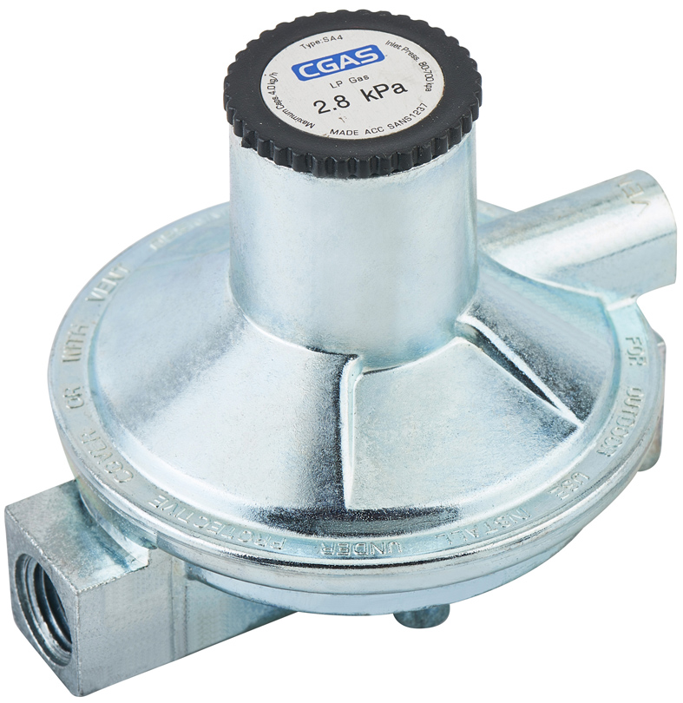 | SA4 | 进气口：1/4NPT内螺纹 出气口：NPT3/8内螺纹 流量 ：4kg/h 出气压力：2.8KPA
36 | 越南 |  | C32G7/8D30 | 进气口：G7/8 出气口：11mm 流量 ：1.5kg/h 出气压力：30mbar | 配10mmPVC管子 | 配2个管夹
37 | 马来西亚 |  | C15G52D10 | 进气口：G54 出气口：10mm 流量 ：1.5kg/h 出气压力：30mbar | 配10mmPVC管子 | 配2个管夹
38 | 菲律宾

